Sheet2
Pictures | Product name | Material | Colors | Item No. | Stock qty | Unit | MOQ | Product size&weight | QTY/ CTNS | TTL CTNS | Meas of ctn（CM） | CBM/ CTN | TTL CBM | QTY/ 40HQ | N.W. /CTN (KGS) | G.W./CTN (KGS) | Original for | Lead time
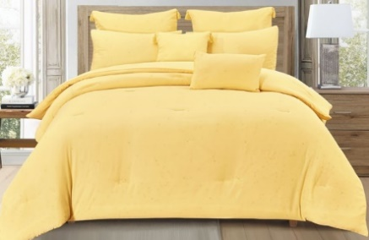 | 7-Piece Bedding Set with filling | fabric: 80g brushed fabric, 100% polyester | YELLOW | X2505293a | 445 | SET | 222 | 1pcs Comforter (88in *88in) | 5 | 89 | 44x55x100 | 0.242 | 21.54 | 1480 | 18 | 19.5 | USA | Packed, ready to ship
 |  |  |  |  |  |  |  | 2 pcs Pillow Sham (25in *23in)
 |  |  |  |  |  |  |  | 2 pcs Dec Piows(1pcs 17in*17in, 1 pcs 12in*18in)
 |  |  |  |  |  |  |  | 2 pcs Euro Shahms (25in *19in)
 |  |  |  | X2505293b | 155 | SET | 78 | 1pcs Comforter (104in *89in) | 5 | 31 | 44x55x105 | 0.2541 | 7.88 | 1390 | 20.5 | 22 | USA | Packed, ready to ship
 |  |  |  |  |  |  |  | 2 pcs Pillow Sham (25in *23in)
 |  |  |  |  |  |  |  | 2 pcs Dec Piows (1pcs 17in*17in, 1 pcs 12in*18in)
 |  |  |  |  |  |  |  | 2 pcs Euro Shahms (25in *19in)
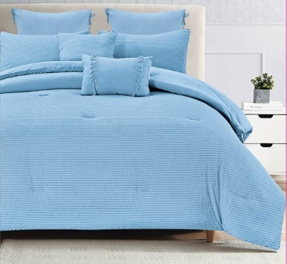 | 7-Piece Bedding set with filling | fabric: 90g Set Seersucker, 100% polyester | MEDIUM BLUE | X2505294a | 175 | SET | 88 | 1pcs Comforter (88in *88in) | 5 | 35 | 44x55x100 | 0.242 | 8.47 | 1480 | 19 | 20.5 | USA | Packed, ready to ship
 |  |  |  |  |  |  |  | 2 pcs Pillow Sham (25in *23in)
 |  |  |  |  |  |  |  | 2 pcs Dec Piows (1pcs 17in*17in, 1 pcs 12in*18in)
 |  |  |  |  |  |  |  | 2 pcs Euro Shahms (25in *19in)
 |  |  |  | X2505294b | 425 | SET | 212 | 1pcs Comforter (104in *89in) | 5 | 85 | 44x55x105 | 0.2541 | 21.60 | 1390 | 21 | 22.5 | USA | Packed, ready to ship
 |  |  |  |  |  |  |  | 2 pcs Pillow Sham (25in *23in)
 |  |  |  |  |  |  |  | 2 pcs Dec Piows (1pcs 17in*17in, 1 pcs 12in*18in)
 |  |  |  |  |  |  |  | 2 pcs Euro Shahms (25in *19in)
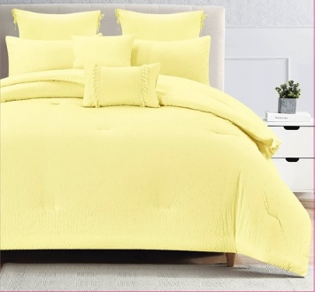 | 7-Piece Bedding Set with filling | fabric: 90g Set Seersucker, 100% polyester | PALE YELLOW | X2505295a | 800 | SET | 400 | 1pcs Comforter (88in *88in) | 5 | 160 | 44x55x100 | 0.242 | 38.72 | 1480 | 19 | 20.5 | USA | Packed, ready to ship
 |  |  |  |  |  |  |  | 2 pcs Pillow Sham (25in *23in)
 |  |  |  |  |  |  |  | 2 pcs Dec Piows (1pcs 17in*17in, 1 pcs 12in*18in)
 |  |  |  |  |  |  |  | 2 pcs Euro Shahms (25in *19in)
 |  |  |  | X2505295b | 415 | SET | 208 | 1pcs Comforter (104in *89in) | 5 | 83 | 44x55x105 | 0.2541 | 21.09 | 1390 | 21 | 22.5 | USA | Packed, ready to ship
 |  |  |  |  |  |  |  | 2 pcs Pillow Sham (25in *23in)
 |  |  |  |  |  |  |  | 2 pcs Dec Piows (1pcs 17in*17in, 1 pcs 12in*18in)
 |  |  |  |  |  |  |  | 2 pcs Euro Shahms (25in *19in)
 |  |  |  |  | 2415 |  |  |  |  |  |  |  | 119.29

